Sheet1
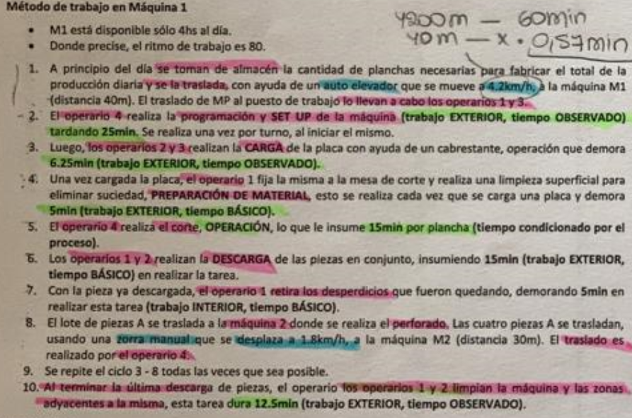
 | OP1 | OP2 | OP3 | 4 | M1
5 |  |  |  | SET
10 |  |  |  | SET
15 |  |  |  | SET
20 |  |  |  | SET
25 |  | CARGA | CARGA
30 | PREP MAT
35 |  |  |  | OPERA | 1
40 |  |  |  | OPERA
45 |  |  |  | OPERA
50 | DESCAR | DESCAR
55 | DESCAR | DESCAR
60 | DESCAR | DESCAR
65 |  | CARGA | CARGA
70 | PREP MAT
75 | LIMPIA |  |  | OPERA | 2
80 |  |  |  | OPERA
85 |  |  |  | OPERA
90 | DESCAR | DESCAR
95 | DESCAR | DESCAR
100 | DESCAR | DESCAR
105 |  | CARGA | CARGA
110 | PREP MAT
115 | LIMPIA |  |  | OPERA | 3
120 |  |  |  | OPERA
125 |  |  |  | OPERA
130 | DESCAR | DESCAR
135 | DESCAR | DESCAR
140 | DESCAR | DESCAR
145 |  | CARGA | CARGA
150 | PREP MAT
155 | LIMPIA |  |  | OPERA | 4
160 |  |  |  | OPERA
165 |  |  |  | OPERA
170 | DESCAR | DESCAR
175 | DESCAR | DESCAR
180 | DESCAR | DESCAR
185 |  | CARGA | CARGA
190 | PREP MAT
195 | LIMPIA |  |  | OPERA | 5
200 |  |  |  | OPERA
205 |  |  |  | OPERA
210 | DESCAR | DESCAR
215 | DESCAR | DESCAR
220 | DESCAR | DESCAR
225 | LIMPIA | LIMPIA
230 | LIMPIA | LIMPIA
235
240

